NORTH SAILS
Category | NAME | STYLE CODE | pic | Fabric | Colors/Qty | RTL | WLS | BUYING PRICE | XS | S | M | L | XL | 2XL | totale Qty
SWEATSHIRTS MEN | ROUND NECK | 902261 | 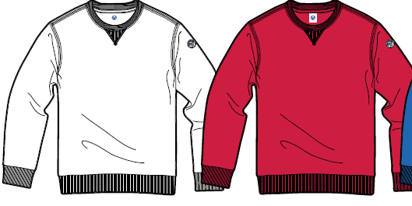 | cotton fleece | 0101 white 500 pcs 0800 navy 1,000 pcs 0230 red 500 pcs 0760 royal 1,000 pcs 0926 grey mel. 1,000 pcs 0999 black 1,000 pcs | 82.00 € | 33.00 | € 27.00 |  |  |  |  |  |  | 5,000.00
 |  |  |  |  | 0101 white 500 pcs |  |  |  | 0 | 63 | 125 | 125 | 125 | 62 | 500.00
 |  |  |  |  | 0800 navy 1000 pcs |  |  |  | 0 | 126 | 250 | 250 | 250 | 124 | 1,000.00
 |  |  |  |  | 0230 red 500 pcs |  |  |  | 0 | 63 | 125 | 125 | 125 | 62 | 500.00
 |  |  |  |  | 0760 royal 1000 pcs |  |  |  | 0 | 126 | 250 | 250 | 250 | 124 | 1,000.00
 |  |  |  |  | 0926 grey mel 1000 pcs |  |  |  | 0 | 126 | 250 | 250 | 250 | 124 | 1,000.00
 |  |  |  |  | 0999 black 1000 pcs |  |  |  | 0 | 126 | 250 | 250 | 250 | 124 | 1,000.00
SWEATSHIRTS MEN | ROUND NECK W/GRAPHIC | 902262 |  | cotton fleece | 0101 white 500 pcs 0800 navy 1,000 pcs 0230 red 500 pcs 0760 royal 1,000 pcs 0926 grey mel. 1,000 pcs 0999 black 1,000 pcs 0453 lime green 500 pcs | 82.00 € | 33.00 | € 27.00 |  |  |  |  |  |  | 5,500.00
 |  |  |  |  | 0101 white 500 pcs |  |  |  | 0 | 63 | 125 | 125 | 125 | 62 | 500.00
 |  |  |  |  | 0800 navy 1000 pcs |  |  |  | 0 | 126 | 250 | 250 | 250 | 124 | 1,000.00
 |  |  |  |  | 0230 red 500 pcs |  |  |  | 0 | 63 | 125 | 125 | 125 | 62 | 500.00
 |  |  |  |  | 0760 royal 1000 pcs |  |  |  | 0 | 126 | 250 | 250 | 250 | 124 | 1,000.00
 |  |  |  |  | 0926 grey mel 1000 pcs |  |  |  | 0 | 126 | 250 | 250 | 250 | 124 | 1,000.00
 |  |  |  |  | 0999 black 1000 pcs |  |  |  | 0 | 126 | 250 | 250 | 250 | 124 | 1,000.00
 |  |  |  |  | 0453 lime green 500 pcs |  |  |  | 0 | 63 | 125 | 125 | 125 | 62 | 500.00
SWEATSHIRTS MEN | FULL ZIP W/GRAPHIC | 902263 | 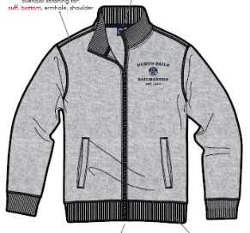 | cotton fleece | 0800 navy 800 pcs 0230 red 800 pcs 0790 ocean blue 800 pcs 0926 grey mel. 800 pcs 0999 black 800 pcs | 100.00 € | 40.00 | € 29.00 |  |  |  |  |  |  | 4,000.00
 |  |  |  |  | 0800 navy 800 pcs |  |  |  | 0 | 100 | 200 | 200 | 200 | 100 | 800.00
 |  |  |  |  | 0230 red 800 pcs |  |  |  | 0 | 100 | 200 | 200 | 200 | 100 | 800.00
 |  |  |  |  | 0790 ocean blue 800 pcs |  |  |  | 0 | 100 | 200 | 200 | 200 | 100 | 800.00
 |  |  |  |  | 0926 grey mel 800 pcs |  |  |  | 0 | 100 | 200 | 200 | 200 | 100 | 800.00
 |  |  |  |  | 0999 black 800 pcs |  |  |  | 0 | 100 | 200 | 200 | 200 | 100 | 800.00
SWEATSHIRTS MEN | HOODED SWEAT | 902264 |  | cotton fleece | 0101 white 1000 pcs 0800 navy 1,000 pcs 0926 grey mel. 1,000 pcs 0999 black 1,000 pcs 0453 lime green 1000 pcs | 100.00 € | 40.00 | € 29.00 |  |  |  |  |  |  | 5,000.00
 |  |  |  |  | 0101 white 1000 pcs |  |  |  | 0 | 126 | 250 | 250 | 250 | 124 | 1,000.00
 |  |  |  |  | 0800 navy 1000 pcs |  |  |  | 0 | 126 | 250 | 250 | 250 | 124 | 1,000.00
 |  |  |  |  | 0926 grey mel 1000 pcs |  |  |  | 0 | 126 | 250 | 250 | 250 | 124 | 1,000.00
 |  |  |  |  | 0999 black 1000 pcs |  |  |  | 0 | 126 | 250 | 250 | 250 | 124 | 1,000.00
 |  |  |  |  | 0453 lime green 1000 pcs |  |  |  | 0 | 126 | 250 | 250 | 250 | 124 | 1,000.00
SWEATSHIRTS MEN | HOODED FULL ZIP | 902265 |  | cotton fleece | 0800 navy 1,000 pcs 0926 grey mel. 1,000 pcs 0999 black 1,000 pcs 0790 ocean blue 1000 pcs | 110.00 € | 44.00 | € 29.00 |  |  |  |  |  |  | 4,000.00
 |  |  |  |  | 0800 navy 1000 pcs |  |  |  | 0 | 126 | 250 | 250 | 250 | 124 | 1,000.00
 |  |  |  |  | 0926 grey mel 1000 pcs |  |  |  | 0 | 126 | 250 | 250 | 250 | 124 | 1,000.00
 |  |  |  |  | 0999 black 1000 pcs |  |  |  | 0 | 126 | 250 | 250 | 250 | 124 | 1,000.00
 |  |  |  |  | 0790 ocean blue 1000 pcs |  |  |  | 0 | 126 | 250 | 250 | 250 | 124 | 1,000.00
SWEATSHIRTS MEN | PANT | 903202 | Pant con Scritta Nororth Sails Frontale e bollo tasca dietro | cotton fleece | 0800 navy 1,750 pcs 0926 grey mel. 1,250 pcs 0999 black 1,000 pcs 0790 ocean blue 1000 pcs | 82.00 € | 33.00 | € 28.00 |  |  |  |  |  |  | 5,000.00
 |  |  |  |  | 0800 navy 1750 pcs |  |  |  | 0 | 218 | 438 | 438 | 438 | 218 | 1,750.00
 |  |  | 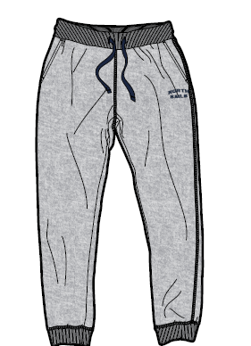 |  | 0926 grey mel 1250 pcs |  |  |  | 0 | 156 | 313 | 313 | 312 | 156 | 1,250.00
 |  |  |  |  | 0999 black 1000 pcs |  |  |  | 0 | 126 | 250 | 250 | 250 | 124 | 1,000.00
 |  |  |  |  | 0790 ocean blue 1000 pcs |  |  |  | 0 | 126 | 250 | 250 | 250 | 124 | 1,000.00
SWEATSHIRTS MEN | PANT | 903203 | Pant con Scritta Verticale North Sails Gamba Sinistra | cotton fleece | 0800 navy 1,750 pcs 0926 grey mel. 1,250 pcs 0999 black 1,000 pcs 0790 ocean blue 1000 pcs | 85.00 € | 34.00 | € 28.00 |  |  |  |  |  |  | 5,000.00
 |  |  | 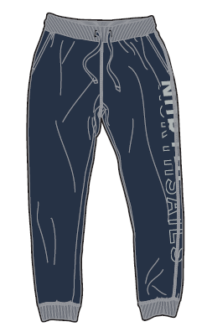 |  | 0800 navy 1750 pcs |  |  |  | 0 | 218 | 438 | 438 | 438 | 218 | 1,750.00
 |  |  |  |  | 0926 grey mel 1250 pcs |  |  |  | 0 | 156 | 313 | 313 | 312 | 156 | 1,250.00
 |  |  |  |  | 0999 black 1000 pcs |  |  |  | 0 | 126 | 250 | 250 | 250 | 124 | 1,000.00
 |  |  |  |  | 0790 ocean blue 1000 pcs |  |  |  | 0 | 126 | 250 | 250 | 250 | 124 | 1,000.00
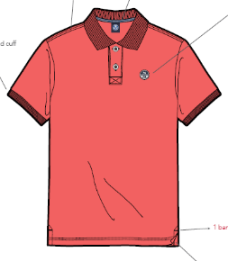
SS POLO MEN | POLO S/S | 902337 |  | cotton piquet | 0101 white 1,200 pcs 0800 navy 1,200 pcs 0230 red 700 pcs 0790 ocean blue 1,200 pcs 0999 black 700 pcs 0453 lime green 700 pcs | 70.00 € | 29.00 | € 21.00 |  |  |  |  |  |  | 5,700.00
 |  |  |  |  | 0101 white 1200 pcs |  |  |  | 0 | 150 | 300 | 300 | 300 | 150 | 1,200.00
 |  |  |  |  | 0800 navy 1200 pcs |  |  |  | 0 | 150 | 300 | 300 | 300 | 150 | 1,200.00
 |  |  |  |  | 0230 red 700 pcs |  |  |  | 0 | 87 | 176 | 175 | 175 | 87 | 700.00
 |  |  |  |  | 0790 ocean blue 1200 |  |  |  | 0 | 150 | 300 | 300 | 300 | 150 | 1,200.00
 |  |  |  |  | 0999 black 700 pcs |  |  |  | 0 | 87 | 176 | 175 | 175 | 87 | 700.00
 |  |  |  |  | 0453 lime green 700 pcs |  |  |  | 0 | 87 | 176 | 175 | 175 | 87 | 700.00
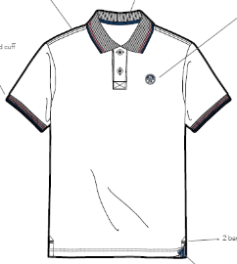
SS POLO MEN | POLO S/S | 902338 |  | cotton piquet | 0101 white 1,200 pcs 0800 navy700 pcs 0790 ocean blue 1,200 pcs 0999 black 700 pcs 0470 sulphur spring 700 pcs | 70.00 € | 29.00 | € 21.00 |  |  |  |  |  |  | 4,500.00
 |  |  |  |  | 0101 white 1200 pcs |  |  |  | 0 | 150 | 300 | 300 | 300 | 150 | 1,200.00
 |  |  |  |  | 0800 navy 700 pcs |  |  |  | 0 | 87 | 176 | 175 | 175 | 87 | 700.00
 |  |  |  |  | 0790 ocean blue 1200 pcs |  |  |  | 0 | 150 | 300 | 300 | 300 | 150 | 1,200.00
 |  |  |  |  | 0999 black 700 pcs |  |  |  | 0 | 87 | 176 | 175 | 175 | 87 | 700.00
 |  |  |  |  | 0470 sulphur spring 700 pcs |  |  |  | 0 | 87 | 176 | 175 | 175 | 87 | 700.00
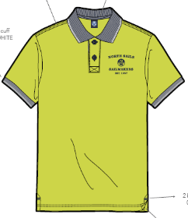
SS POLO MEN | POLO S/S W/GRAPHIC | 902339 |  | cotton piquet | 0101 white 1,200 pcs 0230 red 700 pcs 0800 navy 1,200 pcs 0760 royal 700 pcs 0999 black 700 pcs 0470 sulphur spring 700 pcs | 70.00 € | 29.00 | € 21.00 |  |  |  |  |  |  | 5,200.00
 |  |  |  |  | 0101 white 1200 pcs |  |  |  | 0 | 150 | 300 | 300 | 300 | 150 | 1,200.00
 |  |  |  |  | 0230 red 700 pcs |  |  |  | 0 | 87 | 176 | 175 | 175 | 87 | 700.00
 |  |  |  |  | 0800 navy 1200 pcs |  |  |  | 0 | 150 | 300 | 300 | 300 | 150 | 1,200.00
 |  |  |  |  | 0760 royal 700 pcs |  |  |  | 0 | 87 | 176 | 175 | 175 | 87 | 700.00
 |  |  |  |  | 0999 black 700 pcs |  |  |  | 0 | 87 | 176 | 175 | 175 | 87 | 700.00
 |  |  |  |  | 0470 sulphur spring 700 pcs |  |  |  | 0 | 87 | 176 | 175 | 175 | 87 | 700.00
SS POLO MEN | POLO S/S W/GRAPHIC | 902340 | Stampa North Sails Explorer | cotton piquet | 0101 white 1,200 pcs 0800 navy 1,200 pcs 0760 royal 700 pcs 0999 black 700 pcs 0926 grey melange 700 pcs | 70.00 € | 29.00 | € 21.00 |  |  |  |  |  |  | 4,500.00
 |  |  | 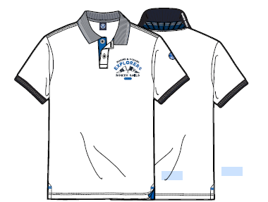 |  | 0101 white 1200 pcs | 0.00 € |  |  | 0 | 150 | 300 | 300 | 300 | 150 | 1,200.00
 |  |  |  |  | 0800 navy 1200 pcs |  |  |  | 0 | 150 | 300 | 300 | 300 | 150 | 1,200.00
 |  |  |  |  | 0760 royal 700 pcs |  |  |  | 0 | 87 | 176 | 175 | 175 | 87 | 700.00
 |  |  |  |  | 0999 black 700 pcs |  |  |  | 0 | 87 | 176 | 175 | 175 | 87 | 700.00
 |  |  |  |  | 0926 grey melange 700 pcs |  |  |  | 0 | 87 | 176 | 175 | 175 | 87 | 700.00
SS TSHIRT MEN | TSHIRT S/S | 902341 |  | cotton jersey | 0101 white 1,600 pcs 02230 red 800 pcs 0453 lime green 800 pcs 0765 french bluel 800 pcs 0790 ocean blue 1,600 pcs 0800 navy 1,600 pcs 0999 black 800 pcs | 45.00 € | 18.00 | € 18.00 |  |  |  |  |  |  | 8,000.00
 |  |  |  |  | 0101 white 1600 pcs |  |  |  | 0 | 200 | 400 | 400 | 400 | 200 | 1,600.00
 |  |  |  |  | 0230 red 800 pcs |  |  |  | 0 | 100 | 200 | 200 | 200 | 100 | 800.00
 |  |  |  |  | 0453 lime green 800 pcs |  |  |  | 0 | 100 | 200 | 200 | 200 | 100 | 800.00
 |  |  |  |  | 0765 french blue 800 pcs |  |  |  | 0 | 100 | 200 | 200 | 200 | 100 | 800.00
 |  |  |  |  | 0790 ocean blue 1600 pcs |  |  |  | 0 | 200 | 400 | 400 | 400 | 200 | 1,600.00
 |  |  |  |  | 0800 navy 1600 pcs |  |  |  | 0 | 200 | 400 | 400 | 400 | 200 | 1,600.00
 |  |  |  |  | 0999 black 800 pcs |  |  |  | 0 | 100 | 200 | 200 | 200 | 100 | 800.00
SS TSHIRT MEN | TSHIRT S/S W/GRAPHIC | 902342 |  | cotton jersey | 0101 white 1,500 pcs 02230 red 800 pcs 0453 lime green 800 pcs 0419 urban chich 800 pcs 0790 ocean blue 800 pcs 0800 navy 1,500 pcs 0926 grey melange 800 pcs | 45.00 € | 18.00 | € 18.00 |  |  |  |  |  |  | 7,000.00
 |  |  |  |  | 0101 white 1500 pcs |  |  |  | 0 | 187 | 376 | 375 | 375 | 187 | 1,500.00
 |  |  |  |  | 0230 red 800 pcs |  |  |  | 0 | 100 | 200 | 200 | 200 | 100 | 800.00
 |  |  |  |  | 0453 lime green 800 pcs |  |  |  | 0 | 100 | 200 | 200 | 200 | 100 | 800.00
 |  |  |  |  | 0419 urban chic 800 pcs |  |  |  | 0 | 100 | 200 | 200 | 200 | 100 | 800.00
 |  |  |  |  | 0790 ocean blue 800 pcs |  |  |  | 0 | 100 | 200 | 200 | 200 | 100 | 800.00
 |  |  |  |  | 0800 navy 1500 pcs |  |  |  | 0 | 187 | 376 | 375 | 375 | 187 | 1,500.00
 |  |  |  |  | 0926 grey melange 800 pcs |  |  |  | 0 | 100 | 200 | 200 | 200 | 100 | 800.00
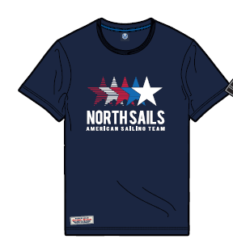
SS TSHIRT MEN | TSHIRT S/S W/GRAPHIC | 902343 | Grafiche Stelle | cotton jersey | 0101 white 1,000 pcs 02230 red 700 pcs 0765 french blue 700 pcs 0470 sulphur spring 700 pcs 0800 navy 1,000 pcs 0999 black 700 pcs | 45.00 € | 18.00 | € 18.00 |  |  |  |  |  |  | 4,800.00
 |  |  |  |  | 0101 white 1000 pcs |  |  |  | 0 | 126 | 250 | 250 | 250 | 124 | 1,000.00
 |  |  |  |  | 0230 red 700 pcs |  |  |  | 0 | 87 | 176 | 175 | 175 | 87 | 700.00
 |  |  |  |  | 0765 french blue 700 pcs |  |  |  | 0 | 87 | 176 | 175 | 175 | 87 | 700.00
 |  |  |  |  | 0470 sulphur spring 700 pcs |  |  |  | 0 | 87 | 176 | 175 | 175 | 87 | 700.00
 |  |  |  |  | 0800 navy 1000 pcs |  |  |  | 0 | 126 | 250 | 250 | 250 | 124 | 1,000.00
 |  |  |  |  | 0999 black 700 pcs |  |  |  | 0 | 87 | 176 | 175 | 175 | 87 | 700.00
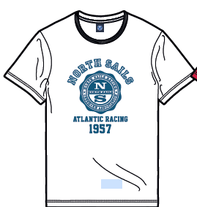
SS TSHIRT MEN | TSHIRT S/S W/GRAPHIC | 902344 | Grafica NORTHSAIS ATLANTIC RACING 1957 | cotton jersey | 0101 white 1,100 pcs 0230 red 700 pcs 0470 sulphur spring 700 pcs 0790 ocean blue 1,100 pcs 0800 navy 1,000 pcs 0926 grey melange 700 pcs 0453 lime green 700 pcs | 45.00 € | 18.00 | € 18.00 |  |  |  |  |  |  | 6,000.00
 |  |  |  |  | 0101 white 1100 pcs |  |  |  | 0 | 137 | 276 | 275 | 275 | 137 | 1,100.00
 |  |  |  |  | 0230 red 700 pcs |  |  |  | 0 | 87 | 176 | 175 | 175 | 87 | 700.00
 |  |  |  |  | 0470 sulphur spring 700 pcs |  |  |  | 0 | 87 | 176 | 175 | 175 | 87 | 700.00
 |  |  |  |  | 0790 ocean blue 1100 pcs |  |  |  | 0 | 137 | 276 | 275 | 275 | 137 | 1,100.00
 |  |  |  |  | 0800 navy 1000 pcs |  |  |  | 0 | 126 | 250 | 250 | 250 | 124 | 1,000.00
 |  |  |  |  | 0926 grey melange 700 pcs |  |  |  | 0 | 87 | 176 | 175 | 175 | 87 | 700.00
 |  |  |  |  | 0453 lime green 700 pcs |  |  |  | 0 | 87 | 176 | 175 | 175 | 87 | 700.00
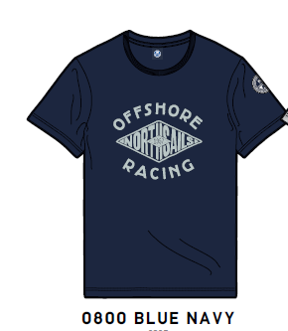
SS TSHIRT MEN | TSHIRT S/S W/GRAPHIC | 902345 | Grafica Offshore | cotton jersey | 0101 white 1,100 pcs 0230 red 700 pcs 0790 ocean blue 700 pcs 0800 navy1,100 pcs 0926 grey melange 700 pcs 0453 lime green 700 pcs | 45.00 € | 18.00 | € 18.00 |  |  |  |  |  |  | 5,000.00
 |  |  |  |  | 0101 white 1100 pcs |  |  |  | 0 | 137 | 276 | 275 | 275 | 137 | 1,100.00
 |  |  |  |  | 0230 red 700 pcs |  |  |  | 0 | 87 | 176 | 175 | 175 | 87 | 700.00
 |  |  |  |  | 0790 ocean blue 700 pcs |  |  |  | 0 | 87 | 176 | 175 | 175 | 87 | 700.00
 |  |  |  |  | 0800 navy 1100 pcs |  |  |  | 0 | 137 | 276 | 275 | 275 | 137 | 1,100.00
 |  |  |  |  | 0926 grey melange 700 pcs |  |  |  | 0 | 87 | 176 | 175 | 175 | 87 | 700.00
 |  |  |  |  | 0453 lime green 700 pcs |  |  |  | 0 | 87 | 176 | 175 | 175 | 87 | 700.00
SS TSHIRT MEN | TSHIRT S/S W/GRAPHIC | 902346 | North Sails con American Flag | cotton jersey | 0101 white 1,000 pcs 0800 navy 1,000 pcs 0926 grey melange 1,000 pcs 0999 black 1,000 pcs | 45.00 € | 18.00 | € 18.00 |  |  |  |  |  |  | 4,000.00
 |  |  | 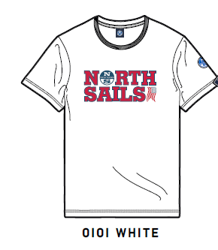 |  | 0101 white 1000 pcs |  |  |  | 0 | 126 | 250 | 250 | 250 | 124 | 1,000.00
 |  |  |  |  | 0800 navy 1000 pcs |  |  |  | 0 | 126 | 250 | 250 | 250 | 124 | 1,000.00
 |  |  |  |  | 0926 grey melange 1000 |  |  |  | 0 | 126 | 250 | 250 | 250 | 124 | 1,000.00
 |  |  |  |  | 0999 black 1000 pcs |  |  |  | 0 | 126 | 250 | 250 | 250 | 124 | 1,000.00
SS TSHIRT MEN | TSHIRT S/S W/GRAPHIC | 902347 |  | cotton jersey | 0101 white 1,200 pcs 0230 red 800 pcs 0470 sulphur spring 800 0453 lime green 800 pcs 0790 ocean blue 1,200 pcs 0800 navy 1,200 pcs 0926 grey melange 800 pcs | 45.00 € | 18.00 | € 18.00 |  |  |  |  |  |  | 6,800.00
 |  |  |  |  | 0101 white 1200 pcs |  |  |  | 0 | 150 | 300 | 300 | 300 | 150 | 1,200.00
 |  |  |  |  | 0230 red 800 pcs |  |  |  | 0 | 100 | 200 | 200 | 200 | 100 | 800.00
 |  |  |  |  | 0470 sulphur spring 800 pcs |  |  |  | 0 | 100 | 200 | 200 | 200 | 100 | 800.00
 |  |  |  |  | 0453 lime green 800 pcs |  |  |  | 0 | 100 | 200 | 200 | 200 | 100 | 800.00
 |  |  |  |  | 0790 ocean blue 1200 pcs |  |  |  | 0 | 150 | 300 | 300 | 300 | 150 | 1,200.00
 |  |  |  |  | 0800 navy 1200 pcs |  |  |  | 0 | 150 | 300 | 300 | 300 | 150 | 1,200.00
 |  |  |  |  | 0926 grey melange 800 pcs |  |  |  | 0 | 100 | 200 | 200 | 200 | 100 | 800.00
SS TSHIRT MEN | TSHIRT S/S W/GRAPHIC | 902348 |  | cotton jersey | 0101 white 1,100 pcs 0230 red 700 pcs 0790 ocean blue 700 pcs 0800 navy 1,100 pcs 0926 grey melange 700 pcs 0450 cover green 700 pcs | 45.00 € | 18.00 | € 18.00 |  |  |  |  |  |  | 5,000.00
 |  |  |  |  | 0101 white 1100 pcs |  |  |  | 0 | 137 | 276 | 275 | 275 | 137 | 1,100.00
 |  |  |  |  | 0230 red 700 pcs |  |  |  | 0 | 87 | 176 | 175 | 175 | 87 | 700.00
 |  |  |  |  | 0790 ocean blue 700 pcs |  |  |  | 0 | 87 | 176 | 175 | 175 | 87 | 700.00
 |  |  |  |  | 0800 navy 1100 pcs |  |  |  | 0 | 137 | 276 | 275 | 275 | 137 | 1,100.00
 |  |  |  |  | 0926 grey melange 700 pcs |  |  |  | 0 | 87 | 176 | 175 | 175 | 87 | 700.00
 |  |  |  |  | 0450 cover green 700 pcs |  |  |  | 0 | 87 | 176 | 175 | 175 | 87 | 700.00
SS TSHIRT MEN | TSHIRT S/S W/GRAPHIC | 902349 |  | cotton jersey | 0101 white 1,500 pcs 0790 ocean blue 1.500 pcs 0926 grey melange 1,500cs | 45.00 € | 18.00 | € 18.00 |  |  |  |  |  |  | 4,500.00
 |  |  |  |  | 0101 white 1500 pcs |  |  |  | 0 | 187 | 376 | 375 | 375 | 187 | 1,500.00
 |  |  |  |  | 0790 ocean blue 1500 pcs |  |  |  | 0 | 187 | 376 | 375 | 375 | 187 | 1,500.00
 |  |  |  |  | 0926 grey melange 1500 pcs |  |  |  | 0 | 187 | 376 | 375 | 375 | 187 | 1,500.00
SS TSHIRT MEN | TSHIRT S/S W/GRAPHIC | 902350 |  | cotton jersey | 0101 white 1,000 pcs 0800 navy 1,000 pcs | 45.00 € | 18.00 | € 18.00 |  |  |  |  |  |  | 2,000.00
 |  |  |  |  | 0101 white 1000 pcs |  |  |  | 0 | 126 | 250 | 250 | 250 | 124 | 1,000.00
 |  |  |  |  | 0800 navy 1000 pcs |  |  |  | 0 | 126 | 250 | 250 | 250 | 124 | 1,000.00
SWEATSHIRTS Woman | ROUND NECK | 902266 | 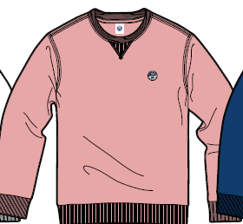 | cotton fleece | 0101 white 600 pcs 0800 navy 600 pcs 0150silver pink 300 pcs 0790 ocean blue 300 pcs | 82.00 € | 33.00 | € 27.00 |  |  |  |  |  |  | 1,800.00
 |  |  |  |  | 0101 white 600 pcs |  |  |  | 75 | 150 | 150 | 150 | 75 | 0 | 600.00
 |  |  |  |  | 0800 navy 600 pcs |  |  |  | 75 | 150 | 150 | 150 | 75 | 0 | 600.00
 |  |  |  |  | 0150 silver pink 300 pcs |  |  |  | 38 | 75 | 75 | 75 | 37 | 0 | 300.00
 |  |  |  |  | 0790 ocean blue 300 pcs |  |  |  | 38 | 75 | 75 | 75 | 37 | 0 | 300.00
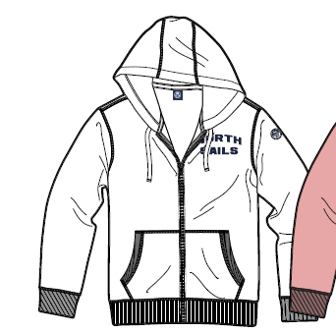
SWEATSHIRTS Woman | HOODED FULL ZIP | 902267 | North Sails Lettering fronte destro | cotton fleece | 0101 white 600 pcs 0800 navy 600 pcs 0150silver pink 300 pcs 0790 ocean blue 300 pcs | 110.00 € | 44.00 | € 29.00 |  |  |  |  |  |  | 1,800.00
 |  |  |  |  | 0101 white 600 pcs |  |  |  | 75 | 150 | 150 | 150 | 75 | 0 | 600.00
 |  |  |  |  | 0800 navy 600 pcs |  |  |  | 75 | 150 | 150 | 150 | 75 | 0 | 600.00
 |  |  |  |  | 0150 silver pink 300 pcs |  |  |  | 38 | 75 | 75 | 75 | 37 | 0 | 300.00
 |  |  |  |  | 790 ocean blue 300 pcs |  |  |  | 38 | 75 | 75 | 75 | 37 | 0 | 300.00
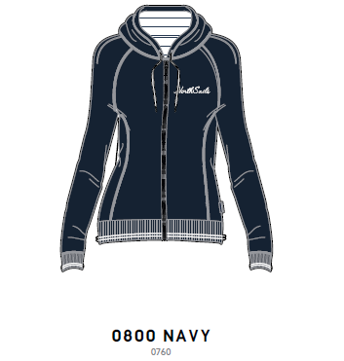
SWEATSHIRTS Woman | HOODED FULL ZIP | 902269 | North Sails Lettering Corsivo fronte destro + Rib Maniche e Vita | cotton fleece | 0101 white 600 pcs 0800 navy 600 pcs 0150silver pink 300 pcs 0790 ocean blue 300 pcs | 110.00 € | 44.00 | € 29.00 |  |  |  |  |  |  | 1,800.00
 |  |  |  |  | 0101 white 600 pcs |  |  |  | 75 | 150 | 150 | 150 | 75 | 0 | 600.00
 |  |  |  |  | 0800 navy 600 pcs |  |  |  | 75 | 150 | 150 | 150 | 75 | 0 | 600.00
 |  |  |  |  | 0150 silver pink 300 pcs |  |  |  | 38 | 75 | 75 | 75 | 37 | 0 | 300.00
 |  |  |  |  | 790 ocean blue 300 pcs |  |  |  | 38 | 75 | 75 | 75 | 37 | 0 | 300.00
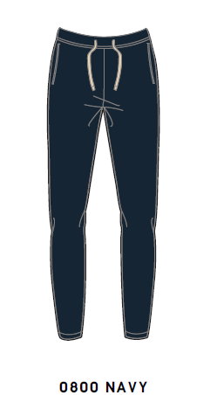
SWEATSHIRTS Woman | PANT | 903204 | Come da sketche proposto | cotton fleece | 0926 grey melange 500 pcs 0101 white 500 0800 navy 500 | 83.00 € | 33.00 | € 27.00 |  |  |  |  |  |  | 1,500.00
 |  |  |  |  | 0926 grey melange 500 pcs |  |  |  | 63 | 125 | 125 | 125 | 62 | 0 | 500.00
 |  |  |  |  | 0101 white 500 pcs |  |  |  | 63 | 125 | 125 | 125 | 62 | 0 | 500.00
 |  |  |  |  | 0800 navy 500 pcs |  |  |  | 63 | 125 | 125 | 125 | 62 | 0 | 500.00
SS POLO Woman | POLO S/S | 902351 | Polo Con Scollo con lettering North Sails sinistro | cotton piquet | 0150 silver pink 300 0101 white 500 pcs 0800 navy 500 pcs 0230 red 300 pcs | 70.00 € | 29.00 | € 21.00 |  |  |  |  |  |  | 1,600.00
 |  |  | 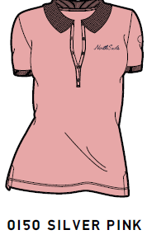 |  | 0150 silver pink 300 pcs |  |  |  | 38 | 75 | 75 | 75 | 37 | 0 | 300.00
 |  |  |  |  | 0101 white 500 pcs |  |  |  | 63 | 125 | 125 | 125 | 62 | 0 | 500.00
 |  |  |  |  | 0800 navy 500 pcs |  |  |  | 63 | 125 | 125 | 125 | 62 | 0 | 500.00
 |  |  |  |  | 0230 red 300 pcs |  |  |  | 38 | 75 | 75 | 75 | 37 | 0 | 300.00
SS POLO Woman | POLO S/S | 902352 | Polo Con Bollo Frontale | cotton piquet | 0150 silver pink 300 0101 white 500 pcs 0800 navy 500 pcs 0230 red 300 pcs | 70.00 € | 29.00 | € 21.00 |  |  |  |  |  |  | 1,600.00
 |  |  | 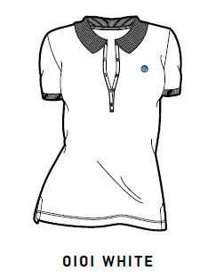 |  | 0150 silver pink 300 pcs |  |  |  | 38 | 75 | 75 | 75 | 37 | 0 | 300.00
 |  |  |  |  | 0101 white 500 pcs |  |  |  | 63 | 125 | 125 | 125 | 62 | 0 | 500.00
 |  |  |  |  | 0800 navy 500 pcs |  |  |  | 63 | 125 | 125 | 125 | 62 | 0 | 500.00
 |  |  |  |  | 0230 red 300 pcs |  |  |  | 38 | 75 | 75 | 75 | 37 | 0 | 300.00
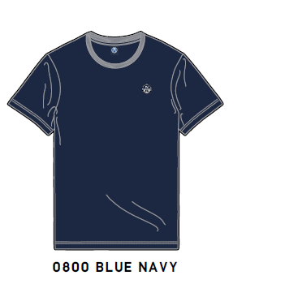
SS TSHIRT Woman | TSHIRT S/S | 902353 |  | cotton jersey | 0101 white 750 pcs 0150 silver pink 400 pcs 0760 royal 400 pcs 0800 navy 750 pcs 0230 red 250 pcs | 45.00 € | 18.00 | € 18.00 |  |  |  |  |  |  | 2,550.00
 |  |  |  |  | 0101 white 750 pcs |  |  |  | 94 | 188 | 188 | 187 | 93 | 0 | 750.00
 |  |  |  |  | 0150 silver pink 400 pcs |  |  |  | 50 | 100 | 100 | 100 | 50 | 0 | 400.00
 |  |  |  |  | 0760 royal 400 pcs |  |  |  | 50 | 100 | 100 | 100 | 50 | 0 | 400.00
 |  |  |  |  | 0800 navy 750 pcs |  |  |  | 94 | 188 | 188 | 187 | 93 | 0 | 750.00
 |  |  |  |  | 0230 red 250 pcs |  |  |  | 32 | 63 | 62 | 62 | 31 | 0 | 250.00
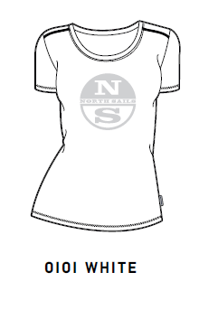
SS TSHIRT Woman | TSHIRT S/S | 902354 | T-Shirt Bollo Grande | cotton jersey | 0101 white 750 pcs 0150 silver pink 400 pcs 0760 royal 400 pcs 0800 navy 800 pcs 0230 red 250 pcs | 45.00 € | 18.00 | € 18.00 |  |  |  |  |  |  | 2,600.00
 |  |  |  |  | 0101 white 750 pcs |  |  |  | 94 | 188 | 188 | 187 | 93 | 0 | 750.00
 |  |  |  |  | 0150 silver pink 400 pcs |  |  |  | 50 | 100 | 100 | 100 | 50 | 0 | 400.00
 |  |  |  |  | 0760 royal 400 pcs |  |  |  | 50 | 100 | 100 | 100 | 50 | 0 | 400.00
 |  |  |  |  | 0800 navy 800 pcs |  |  |  | 100 | 200 | 200 | 200 | 100 | 0 | 800.00
 |  |  |  |  | 0230 red 250 pcs |  |  |  | 32 | 63 | 62 | 62 | 31 | 0 | 250.00
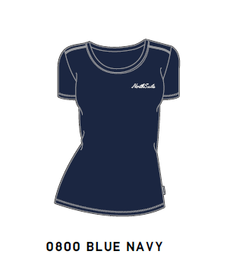
SS TSHIRT Woman | TSHIRT S/S | 902355 | T-Shirt Scritta North Sails piccola | cotton jersey | 0101 white 750 pcs 0150 silver pink 400 pcs 0760 royal 400 pcs 0800 navy 750 pcs 0230 red 250 pcs | 45.00 € | 18.00 | € 18.00 |  |  |  |  |  |  | 2,550.00
 |  |  |  |  | 0101 white 750 pcs |  |  |  | 94 | 188 | 188 | 187 | 93 | 0 | 750.00
 |  |  |  |  | 0150 silver pink 400 pcs |  |  |  | 50 | 100 | 100 | 100 | 50 | 0 | 400.00
 |  |  |  |  | 0760 royal 400 pcs |  |  |  | 50 | 100 | 100 | 100 | 50 | 0 | 400.00
 |  |  |  |  | 0800 navy 750 pcs |  |  |  | 94 | 188 | 188 | 187 | 93 | 0 | 750.00
 |  |  |  |  | 0230 red 250 pcs |  |  |  | 32 | 63 | 62 | 62 | 31 | 0 | 250.00
SS TSHIRT Woman | TSHIRT S/S | 902356 | T-Shirt Scritta North Sails Grande | cotton jersey | 0101 white 750 pcs 0150 silver pink 400 pcs 0760 royal 400 pcs 0800 navy 750 pcs | 45.00 € | 18.00 | € 18.00 |  |  |  |  |  |  | 2,300.00
 |  |  | 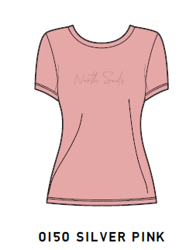 |  | 0101 white 750 pcs |  |  |  | 94 | 188 | 188 | 187 | 93 | 0 | 750.00
 |  |  |  |  | 0150 silver pink 400 pcs |  |  |  | 50 | 100 | 100 | 100 | 50 | 0 | 400.00
 |  |  |  |  | 0760 royal 400 pcs |  |  |  | 50 | 100 | 100 | 100 | 50 | 0 | 400.00
 |  |  |  |  | 0800 navy 750 pcs |  |  |  | 94 | 188 | 188 | 187 | 93 | 0 | 750.00

